2.Revenue by Month
Using a Pivot table, find the monthly revenue trends and plot the same using Pivot chart

Row Labels | Sum of Revenue
2021
Jan | 92759
Revenue by month
 | Total
Jan | 92759
Feb | 93096
Mar | 103309
Apr | 93392
May | 118523
Jun | 105113
Jul | 86694
Aug | 96143
Sep | 89459
Oct | 88891
Nov | 99699
Dec | 91073
Jan | 84293
Feb | 106033
Mar | 127074
Apr | 92400
May | 91637
Jun | 88012
Jul | 71980
Aug | 88838
Sep | 82758
Oct | 37415
Feb | 93096
Mar | 103309
Apr | 93392
May | 118523
Jun | 105113
Jul | 86694
Aug | 96143
Sep | 89459
Oct | 88891
Nov | 99699
Dec | 91073
2022
Jan | 84293
Feb | 106033
Mar | 127074
Apr | 92400
May | 91637
Jun | 88012
Jul | 71980
Aug | 88838
Sep | 82758
Oct | 37415
Grand Total | 2028591

3.Sales by Region
Using "Map Chart" plot sales by region and answer which is the region with highest sales? |  |  |  | Note: I don’t have maps option in my excel created in on google sheets and pasted here

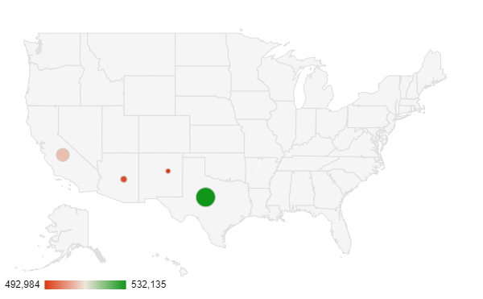
State | Sum of Revenue | State | Sum of Revenue
Arizona | 495353 | Arizona | 495353
California | 508119 | California | 508119
New Mexico | 492984 | New Mexico | 492984
Texas | 532135 | Texas | 532135
Grand Total | 2028591

4.Best SalesPerson
Best Sales Person
Row Labels | Sum of Revenue | Using a "Bar Chart" find out who was the best salesman in 2021?
Anna Weber | 276378
Laura Larsen | 276331
Ben Wallace | 255757
Michael Fox | 251790
Oscar Knox | 251672
Andrew James | 243681
Anne Lee | 241194
Kim Fishman | 231788
Grand Total | 2028591

5.Revenue by product
Plot a "Pie Chart" to find the Products that drive the highest and lowest revenue

Row Labels | Sum of Revenue
Product 1 | 736953
Product 2 | 365762
Product 3 | 124890
Product 4 | 301305
Product 5 | 499681
Grand Total | 2028591
Revenue by Product

Sales Dashboard
SALES DASHBOARD
Monthly revenue trends |  |  | Row Labels | Sum of Revenue
Region-wise sales |  |  | Company T | 83691
Sales Person wise sales |  |  | Company S | 122085
Product Share |  |  | Company R | 89214
Customer/Company wise revenue | Total Revenue | Total Orders | Company Q | 105933
 | 2028591 | 2000 | Company P | 94430
 |  |  | Company O | 83818
 |  |  | Company N | 114447
Revenue by month
 | Total
Jan | 92759
Feb | 93096
Mar | 103309
Apr | 93392
May | 118523
Jun | 105113
Jul | 86694
Aug | 96143
Sep | 89459
Oct | 88891
Nov | 99699
Dec | 91073
Jan | 84293
Feb | 106033
Mar | 127074
Apr | 92400
May | 91637
Jun | 88012
Jul | 71980
Aug | 88838
Sep | 82758
Oct | 37415
 |  |  | Company M | 115641
 |  |  | Company L | 86272
 |  |  | Company K | 92806
 |  |  | Company J | 108239
 |  |  | Company I | 111991
 |  |  | Company H | 100909
Best Sales Person
 | Total
Anna Weber | 276378
Laura Larsen | 276331
Ben Wallace | 255757
Michael Fox | 251790
Oscar Knox | 251672
Andrew James | 243681
Anne Lee | 241194
Kim Fishman | 231788
 |  |  | Company G | 93876
 |  |  | Company F | 93104
 |  |  | Company E | 106230
 |  |  | Company D | 122821
 |  |  | Company C | 98397
 |  |  | Company B | 106107
 |  |  | Company A | 98580
 |  |  | Grand Total | 2028591

Revenue by Product
 | Total
Product 1 | 736953
Product 2 | 365762
Product 3 | 124890
Product 4 | 301305
Product 5 | 499681

Revenue by Customer

